美国库存
SKU | photo | LINK | Color | CA 91746 | NJ 08831 | GA 31408 | TX 77029 | pk size and weight | Closeout price
MU-F1-04 | 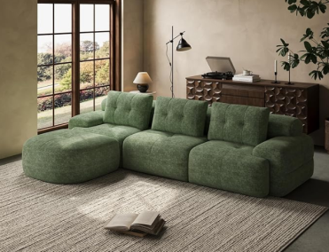 | https://www.amazon.com/dp/B0FPMH6BQQ | green | 100 | 60 | 35 | 0 | A箱：43.3″*17.3″*17.3″ 83.7lbs B箱：37.4″*15″*15″ 57.3lbs | $260
MU-F1-03 | 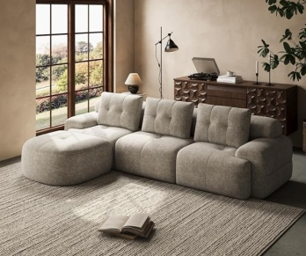 |  | coffee | 50 | 0 | 0 | 30 | A箱：43.3″*17.3″*17.3″ 83.7lbs B箱：37.4″*15″*15″ 57.3lbs | $270
MU-F1-02 | 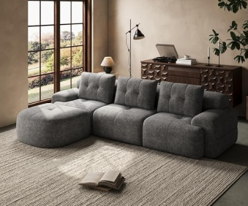 |  | grey | 10 | 0 | 10 | 0 | A箱：43.3″*17.3″*17.3″ 83.7lbs B箱：37.4″*15″*15″ 57.3lbs | $270
MU-F5-01 | 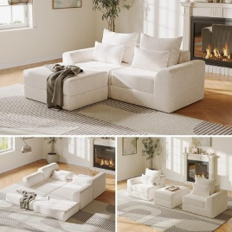 | https://www.amazon.com/dp/B0FVMMDHF5 | white | 100 | 80 | 0 | 70 | 43.3″*25.5″*13″ 105.8lbs | $180
MU-F5-03 |  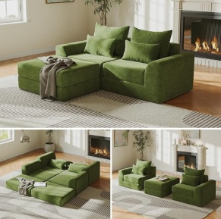 |  | green | 160 | 80 | 0 | 100 | 43.3″*25.5″*13″ 105.8lbs | $180
MU-F5-04 | 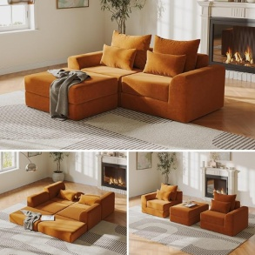 |  | brown | 70 | 35 | 0 | 50 | 43.3″*25.5″*13″ 105.8lbs | $180
 |  |  |  | 490 | 255 | 45 | 250

